Sheet1
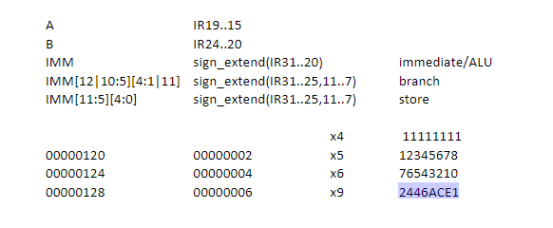
No Forwarding |  |  |  | 31_25 | 24_20 | 19_15 | 14_12 | 11_7 | 6_0 | Hex Opcode
 |  |  | addi x5, x0, 9 | 0000000 | 01001 | 00000 | 000 | 00101 | 0010011 | 00900293
 |  |  | lw x6, 0x124(x0) | 0001001 | 00100 | 00000 | 010 | 00110 | 0000011 | 12402303
 |  |  | sub x7, x5, x6 | 0100000 | 00110 | 00101 | 000 | 00111 | 0110011 | 406283b3

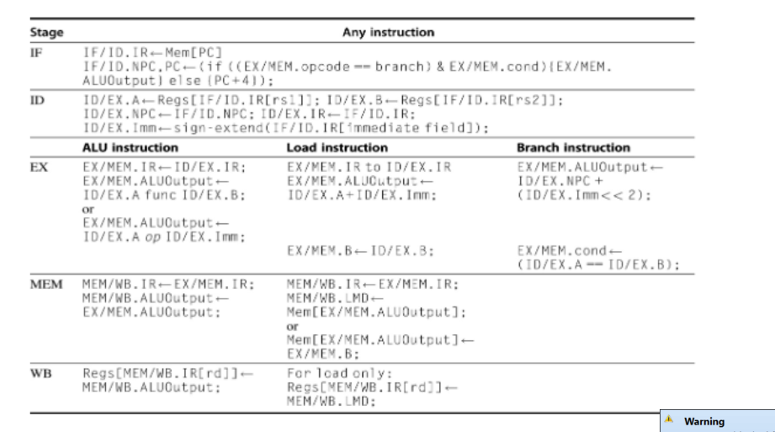
 | Address |  |  | 1 | 2 | 3 | 4 | 5 | 6 | 7 | 8 | 9
 | 00000000 |  | addi x5, x0, 9 | IF | ID | EX | MEM | WB
 | 00000004 |  | lw x6, 0x124(x0) |  | IF | ID | EX | MEM | WB
 | 00000008 |  | sub x7, x5, x6 |  |  | IF | * | * | ID | EX | MEM | WB

 |  |  |  | 1 | 2 | 3 | 4 | 5 | 6 | 7 | 8 | 9
 |  | IF | F/ID.IR = | 00900293 | 12402303 | 406283b3
 |  |  | IF/ID.NPC = | 00000000 | 00000004 | 00000008
 |  |  | PC = | 00000004 | 00000008 | 0000000C
 |  | ID | ID/EX.A = |  | 00000000 | 00000000 |  |  | 00000009
 |  |  | ID/EX.B = |  | 2446ACE1 | 11111111 |  |  | 00000004
 |  |  | ID/EX.IMM = |  | 00000009 | 00000124 |  |  | 00000406
 |  |  | ID/EX.IR = |  | 00900293 | 12402303 |  |  | 406283b3
 |  |  | ID/EX.NPC = |  | 00000000 | 00000004 |  |  | 0000000C
 |  | EX | EX/MEM.ALUOUTPUT = |  |  | 00000009 | 00000124 |  |  | 00000005
 |  |  | EX/MEM.IR = |  |  | 00900293 | 12402303 |  |  | 406283b3
 |  |  | EX/MEM.B = |  |  | 2446ACE1 | 11111111 |  |  | 00000004
 |  |  | EX/MEM.COND = |  |  | 0 | 0 |  |  | 0
 |  | MEM | MEM/WB.LMD = |  |  |  | N/A | 00000004 |  |  | N/A
 |  |  | MEM/WB.IR = |  |  |  | 00900293 | 12402303 |  |  | 406283b3
 |  |  | MEM/WB.ALUOUTPUT = |  |  |  | 00000009 | 11111111 |  |  | 00000005
 |  |  | MEM[EX/MEM.ALUOutput] = |  |  |  | N/A | N/A |  |  | N/A
 |  | WB | REGS[MEM/WB.IR[rd]] = |  |  |  |  | 00000009 | 00000004 |  |  | 00000005

